Blad1
Price-list Paeonia suffruticosa Spring 2023, imported from China
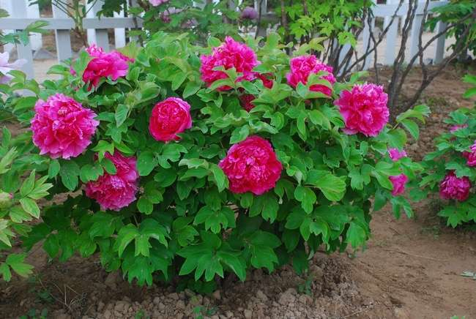
Please place an order only in this order form and in the specified column (yellow), do not change or modify the order page.
All prices are in Euros per piece, miniumum quantity to be ordered, 50 pcs per size per order
bushes are supplied in card boxes
all our offers are without obligation as items could have been sold out or the crop might have failed
orders and prices are fixed only after having been confirmed in written
The order should be done by 05.08.2022.
ALL ORDERS HAVE TO BE PAID IN ADVANCE OF DELIVERY WHEN ORDERS ARE CONFIRMED

 |  |  |  |  |  |  | Paeonia suffruticosa, Juan Ye Hong

 |  | Sizes offered: 1 branch, 2 branches, 2/3 branches, 3/5 branches, 6+ branches
 |  | Chinese name |  | English name |  | 1 br. | Order | 2/3 br. | Order | 3/5 br. | Order | 6+ br. | Order | Summ
 |  | Ai Li Shi |  |  |  | € 6.26 |  | € 9.74 |  |  |  |  |  | € -
 |  | Bai Xue Gong Zhu |  | White Snow |  |  |  | € 5.56 |  |  |  |  |  | € -
 |  | Bai Yuan Hong Xia |  | Baiyuan's Red Clouds |  |  |  | € 4.87 |  | € 6.26 |  | € 8.35 |  | € -
 |  | Chu Wu |  | Hatsugarasu |  |  |  | € 6.26 |  |  |  |  |  | € -
 |  | Chun Liu |  | Spring Willow |  |  |  | € 10.43 |  |  |  |  |  | € -
 |  | Dao Jin |  | Shima-nishiki |  |  |  | € 6.26 |  | € 9.04 |  |  |  | € -
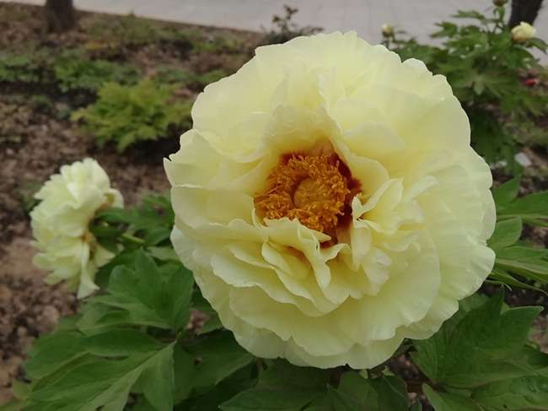
 |  | Feng Dan Bai |  | White Phoenix |  |  |  | € 3.13 |  | € 4.17 |  |  |  | € -
 |  | Gui Fei Cha Cui |  | Noblewoman |  |  |  | € 5.56 |  |  |  |  |  | € -
 |  | Hai Huang |  | High Noon |  |  |  | € 6.26 |  |  |  |  |  | € -
 |  | Hua Wang |  | Kao |  |  |  | € 6.26 |  |  |  |  |  | € -
 |  | Jin Ge |  | Kinkaku |  |  |  | € 6.61 |  | € 9.04 |  |  |  | € -
 |  | Juan Ye Hong |  | Coiled Leaf Red |  |  |  |  |  | € 6.26 |  | € 8.35 |  | € -
 |  | Lu He Hong |  | Heze Red |  |  |  | € 4.52 |  | € 6.26 |  | € 8.35 |  | € -
 |  | Lu Mu Ying Yu |  | Green Jade |  |  |  | € 5.91 |  |  |  |  |  | € -
 |  | Luo Yang Hong |  | Luoyang Red |  |  |  | € 4.52 |  | € 6.26 |  | € 8.35 |  | € -
 |  | Mo Run Jue Lun |  | The Best Inkstone |  |  |  | € 5.22 |  | € 6.26 |  |  |  | € -
 |  | Rou Fu Rong |  | Pink Water-lily |  |  |  | € 4.87 |  | € 6.26 |  | € 8.35 |  | € -
 |  | Wu Jin Yao Hui |  | Shining Black Gold |  |  |  | € 5.22 |  | € 6.26 |  | € 8.35 |  | € -
 |  | Wu Long Peng Shwng |  | Splendid Flower |  |  |  | € 4.87 |  | € 6.26 |  | € 8.35 |  | € -
 |  | Xiang Yu |  | Fragrant Jade |  |  |  | € 5.22 |  |  |  |  |  | € -
 |  | Xue Ta |  | Snow Tower |  |  |  | € 4.87 |  | € 6.26 |  | € 8.35 |  | € - |  | Paeonia suffruticosa, Huang Guan
 |  | Yin Hong Qiao Dui |  | Silver Red |  |  |  | € 4.87 |  | € 6.26 |  | € 8.35 |  | € -
 |  | Yue Gong Zhu Guang |  | Fairy Moon |  |  |  | € 5.22 |  | € 6.26 |  |  |  | € -
 |  | Zhao Fen |  | Zhao's Pink |  |  |  | € 5.56 |  |  |  |  |  | € -
 |  | Jin Huang |  | Kinko |  |  |  | € 6.26 |  | € 9.04 |  |  |  | € -
 |  | Hei Bao |  | Black Panther |  | € 6.96 |  | € 10.43 |  |  |  |  |  | € -
 |  | Xu Gang |  | Asahi-minato |  |  |  | € 5.56 |  | € 8.35 |  |  |  | € -
 |  | Xin Ri Yue |  | Shin-jitsugetu |  |  |  | € 5.91 |  |  |  |  |  | € -
 |  | Huang Guan |  |  |  |  |  | € 9.74 |  |  |  |  |  | € -
 |  |  |  |  |  |  |  |  |  |  |  |  | without VAT | € -
 |  |  |  |  |  |  |  |  |  |  |  |  | VAT 21% | € -
 |  |  |  |  |  |  |  |  |  |  |  |  | Total | € -

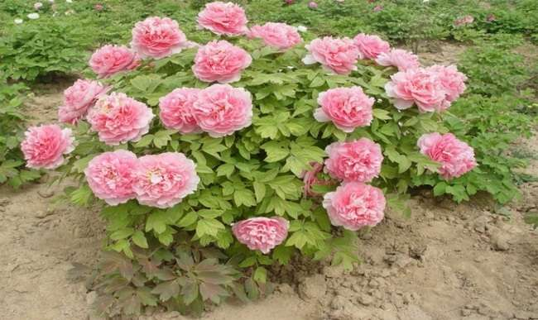

 | Paeonia suffruticosa, Bai Juan Hong Xia |  |  |  | Paeonia suffruticosa, Gui Fei Cha Cui |  |  |  |  |  |  |  |  |  | Paeonia suffruticosa, Chu Wu

 | Paeonia suffruticosa, Jin Ge |  |  |  | Paeonia suffruticosa, Chun Liu |  |  |  |  |  |  |  |  |  | Paeonia suffruticosa, Feng Dan Bai

 | Paeonia suffruticosa, Hei Bao |  |  |  | Paeonia suffruticosa, Bai Xue Gong Zhu |  |  |  |  |  |  |  |  |  | Paeonia suffruticosa, Xue Gang

Paeonia suffruticosa, Lu Mu Ying Yu |  |  |  |  | Paeonia suffruticosa, Dao Jin |  |  |  |  |  |  |  |  |  | Paeonia suffruticosa, Yue Gong

Paeonia suffruticosa, Hua Wang

Paeonia suffruticosa, Xue Ta Paeonia suffruticosa, Hai Huang

 | Paeonia suffruticosa, Mo Run Jue Lun |  |  |  | Paeonia suffruticosa, Lu He Hong |  |  |  |  |  |  |  |  |  | Paeonia suffruticosa, Wu Jin Yao Hui

 | Paeonia suffruticosa, Rou Fu Rong |  |  |  | Paeonia suffruticosa, Xiang Yu |  |  |  |  |  |  |  |  |  | Paeonia suffruticosa, Luo Yang Hong

 | Paeonia suffruticosa, Jin Huang |  |  |  | Paeonia suffruticosa, Juan Ye Hong |  |  |  |  |  |  |  |  |  | Paeonia suffruticosa, Zhao Fen

 |  |  | Paeonia suffruticosa, Yin Hong Qiao Dui |  |  |  |  |  |  | Paeonia suffruticosa, Xin Ri Yue

Paeonia suffruticosa, Wu Long Peng Sheng |  |  |  |  |  |  |  |  |  | Paeonia suffruticosa, Ai Li Shi

