Blad1
PRICE-LIST IRIS SIBIRICA PEACKOCK BUTTERFLY® SERIES, AUTUMN 2022-SPRING 2023

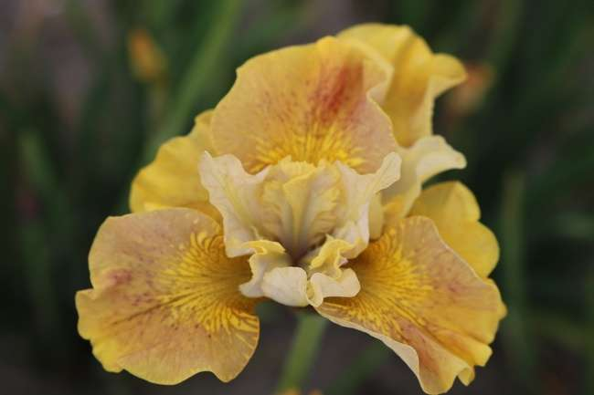
Please place an order only in this order form and in the specified column (yellow), do not change or modify the order page.
all prices mentioned are in Euros
plants are supplied in black plastic crates at € 3,60 each
minimum quantity to be ordered, one box per variety per order
orders and prices are fixed, only after having been confirmed in written
all our offers are without obligation as items could have been sold out, or the crop might have failed
The order should be done by 05.08.2022.

 |  |  |  | Iris sibirica Peacock Butterfly Daring Design

Iris sibirica Peacock Butterfly® Ginger Twist® Iris sibirica Peacock Butterfly® Miss Apple® Iris sibirica Peacock Butterfly® Paprikash®

 |  | Variety | Quantity box | Price per 100 pcs | Order pcs | Summ

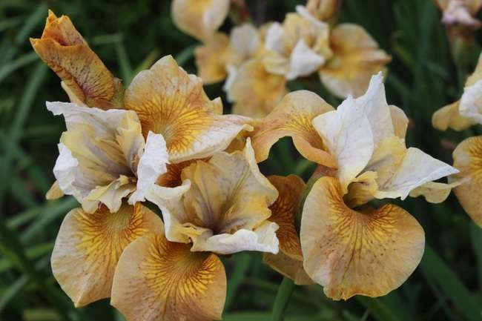
 | Iris sibirica Peacock Butterfly® Banish Misfortune® |  | 200 | € 55.64 |  | € 0.00
 | Iris sibirica Peacock Butterfly® Black Joker® |  | 200 | € 76.51 |  | € 0.00
 | Iris sibirica Peacock Butterfly® Butterscotch Fizz |  | 200 | € 55.64 |  | € 0.00
 | Iris sibirica Peacock Butterfly® Charming Billy® |  | 200 | € 69.55 |  | € 0.00
 | Iris sibirica Peacock Butterfly® Cherry Fling® |  | 200 | € 76.51 |  | € 0.00
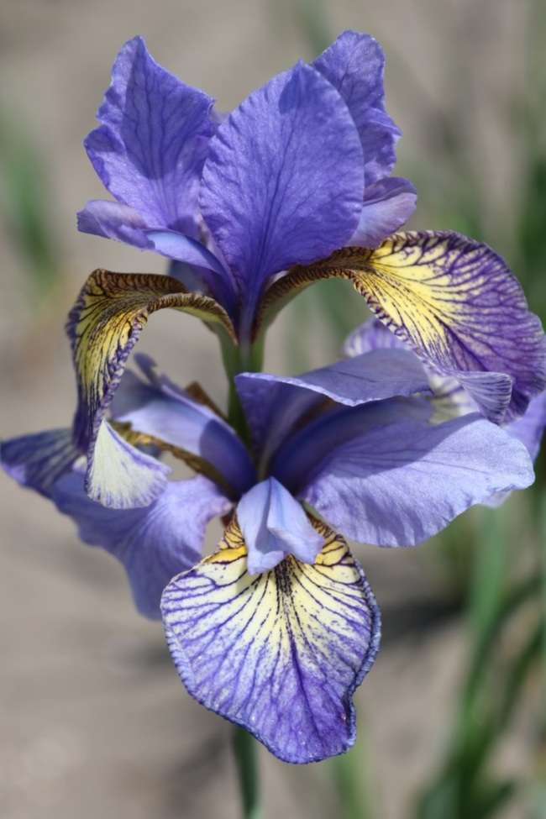
 | Iris sibirica Peacock Butterfly® Clean Planet |  | 200 | € 76.51 |  | € 0.00
 | Iris sibirica Peacok Butterfly® Daring Design |  | 200 | € 76.51 |  | € 0.00
 | Iris sibirica Peacock Butterfly® Drink your Tea® |  | 200 | € 62.60 |  | € 0.00
 | Iris sibirica Peacock Butterfly® Fancy me This® |  | 200 | € 69.55 |  | € 0.00
 | Iris sibirica Peacock Butterfly® Ginger Twist® |  | 200 | € 62.60 |  | € 0.00
 | Iris sibirica Peacock Butterfly® It's Electric |  | 200 | € 76.51 |  | € 0.00
 | Iris sibirica Paecock Butterfly® Jaybird |  | 200 | € 76.51 |  | € 0.00
 | Iris sibirica Peacock Butterfly® Jerry Murphy® |  | 200 | € 62.60 |  | € 0.00
 | Iris sibirica Peacock Butterfly® Laughing Beauty |  | 200 | € 76.51 |  | € 0.00 | Iris sibirica Peacock Butterfly® Butterscotch Fizz®
 | Iris sibirica Peacock Butterfly(R) Lightning Contrast |  | 200 | € 76.51 |  | € 0.00
 | Iris sibirica Peacock Butterfly® Mad Hat® |  | 200 | € 76.51 |  | € 0.00
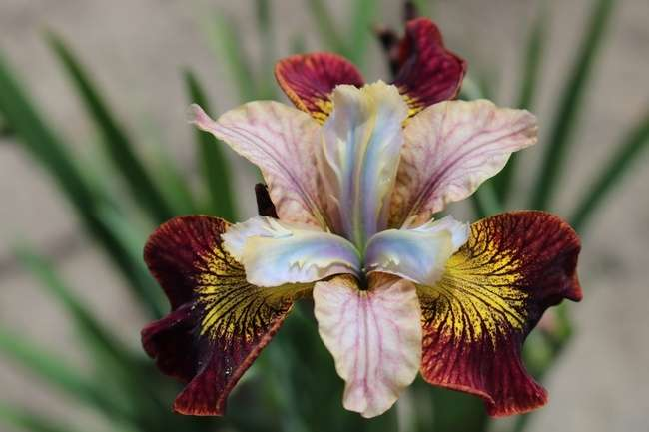
 | Iris sibirica Peacock Butterfly® Miss Apple® |  | 200 | € 69.55 |  | € 0.00
 | iris sibirica Peacock Butterfly® Multicolor Interest |  | 200 | € 76.51 |  | € 0.00
 | Iris sibirica Peacock Butterfly® Mission Bay® |  | 200 | € 69.55 |  | € 0.00
 | Iris sibirica Peacok Butterfly® Multicolor Passion |  | 200 | € 76.51 |  | € 0.00
 | Iris sibirica Paecock Butterfly® Multiple Choice |  | 200 | € 76.51 |  | € 0.00
 | Iris sibirica Peacock Butterfly® On Mulberry Street® |  | 200 | € 83.46 |  | € 0.00
 | Iris sibirica Paecock Butterfly® Outside the Box |  | 200 | € 76.51 |  | € 0.00
 | Iris sibirica Peacock Butterfly® Painted Woman® |  | 200 | € 83.46 |  | € 0.00
 | Iris sibirica Peacock Butterfly® Paprikash® |  | 200 | € 76.51 |  | € 0.00
 | Iris sibirica Peacock Butterfly® Pennywhistle® |  | 200 | € 48.69 |  | € 0.00
 | Iris sibirica Peacock Butterfly® Pretty Design |  | 200 | € 76.51 |  | € 0.00
 | iris sibirica Peacock Butterfly® Theme and Variation |  | 200 | € 76.51 |  | € 0.00
 | Iris sibirica Peacock Butterfly® Tipped in Blue® |  | 200 | € 76.51 |  | € 0.00
Iris sibirica Peacock Butterfly® Banish Misfortune® | Iris sibirica Peacock Butterfly® So van Gogh® |  | 200 | € 76.51 |  | € 0.00 | Iris sibirica Peacock Butterfly Laughing Beauty
 | Iris sibirica Peacock Butterfly® Solar Energy® |  | 200 | € 90.42 |  | € 0.00
 | Iris sibirica Peacock Butterfly® Unbuttoned Zippers® |  | 200 | € 69.55 |  | € 0.00
 | Iris sibirica Peacock Butterfly® Uncorked® |  | 200 | € 69.55 |  | € 0.00
 | Iris sibirica Peacock Butterfly® White Amber® |  | 200 | € 62.60 |  | € 0.00
 | Iris sibirica Peacock Butterfly® Wynne Magnolia® |  | 200 | € 62.60 |  | € 0.00
 | Iris sibirica Peacock Butterfly® Breeder's Mix |  | 200 | € 48.69 |  | € 0.00 | mixture of 10 colours
 |  |  |  |  | without VAT | € 0.00
 |  |  |  |  | VAT 21% | € 0.00
 |  |  |  |  | Total | € 0.00

Iris sibirica Peacock Butterfly® Black Joker® Iris sibirica Peacock Butterfly® Charming Billy® Iris sibirica Peacock Butterfly® Cherry Fling®

Iris sibirica Peacock Butterfly® Drink your Thea® Iris sibirica Peacock Butterfly® Pennywhistle® Iris sibirica Peacock Butterfly® White Amber®

Iris sibirica Peacock Butterfly® Tipped in Blue® Iris sibirica Peacock Butterfly® Unbuttoned Zippers® Iris sibirica Peacock Butterfly® Painted Woman®

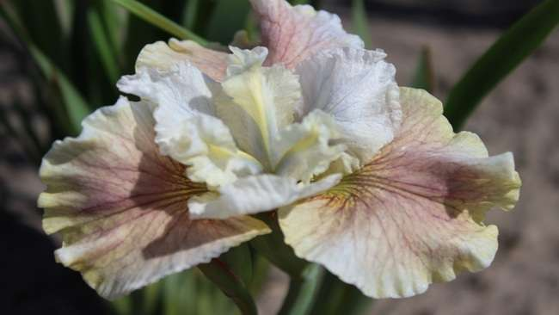
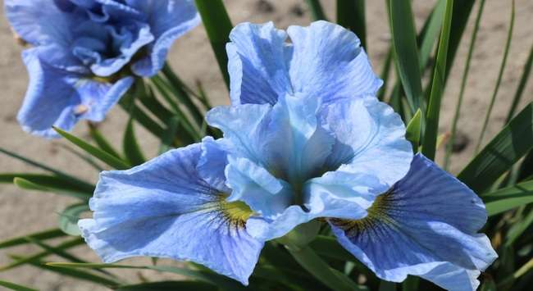
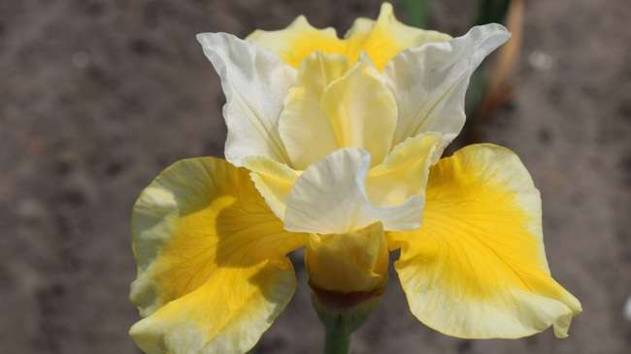

Iris sibirica Peacock Butterfly® Wynne Magnolia® Iris sibirica Peacock Butterfly® Mission Bay® Iris sibirica Peacock Butterfly® Solar Energy®

Iris sibirica Peacock Butterfly® So van Gogh® Iris sibirica Peacock Butterfly® Fancy me This® Iris sibirica Peacock Butterfly® On Mulberry Street®

Iris sibirica Peacock Butterfly® Mad Hat® Iris sibirica Peacock Butterfly® Jerry Murphy® Iris sibirica Peacock Butterfly® Uncorked®

Iris sibirica peacock Butterfly Clean Planet Iris sibirica Peacock Butterfly Multicolor Interest Iris sibirica Peacock Butterfly Theme And Variation.

Iris sibirica Peacock Butterfly It's Electric Iris sibirica Peacock Butterfly Pretty Design Iris peacock Butterfly Multicolour Passion

Iris sibirica peacock Butterfly Outside the Box Iris sibirica peacock Butterfly Jaybird Iris sibirica Peacock Butterfly Multiple Choice

